TH 2023
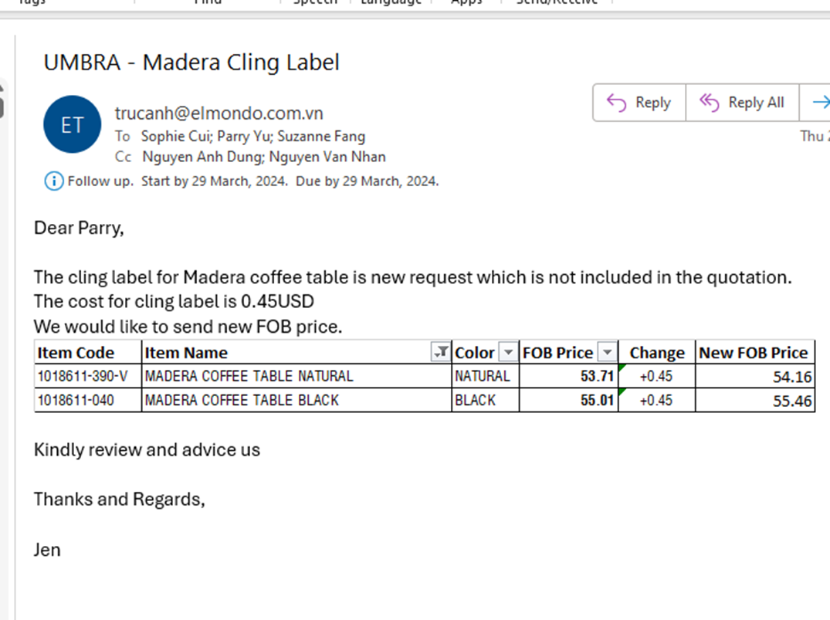
 |  |  |  |  |  | CO PART | CO PART | CO PART | CO PART | CO PART

 |  |  |  |  | BOOKING CUTOFF | 2/10 | 2/10 | 1/11
 |  |  |  |  | BOOKING ETD | 3/10 | 3/10 | 2/11
 |  | LOAD CONT theo ASIN 40 hc CHỈ 66.00 CBM |  |  | THANG SHIP | THANG 10-24 | THANG 10-24 | THANG 11-24 | THANG 12-24 | THANG 12-24
 |  |  |  |  | LOAD CONT TT | 2024-10-01 | 2024-10-01
1 mm = 0.00321808 = dai x rong x cao = cube |  |  |  |  | THÖÙ TÖÏ CONT | sai chan-> move ?
 |  |  |  | NEW PRICES 2024 | PO MIX | CONT 38 | CONT 39 | CONT 40 | CONT 41 | CONT 42
 |  |  |  | CAP NHAT GIA | DESTINATION | SHENZHEN | SHENZHEN | SHENZHEN | SHENZHEN | SHENZHEN
 |  |  |  |  | ETD IN VIETNAM | 2024-09-09 | 2024-09-30 | 2024-10-28 | 2024-12-16 | 2024-12-23
 |  | BOOK KIEM TRUOC 7 NGAY KIEM HANG |  |  | NGAY KIEM HANG

STT | CODE | ITEM | COLOR |  |  | 40 DC | 40 HC | 40 HC | 40 HC | 40 HC

1 | 1017427-746-V | COFFEE TABLE AGE WAL | AGE WAL_ | 55.75 | 983 | - | - | - | - | 200
2 | 1017427-390-V | COFFEE TABLE NATURAL | NATURAL_ | 55.75 | 993 | - | - | - | 50 | 30
3 | 1016838-048-V | FREESTAND SHELF 3 TIER BLK/WAL | BLK/WAL_ | 26.46 | 1,251 | - | - | - | - | -
4 | 1016838-668-V | FREESTAND SHELF 3 TIER WHT/NAT | WHT/NAT_ | 26.46 | 2,456 | - | 200 | - | - | 200
5 | 1016840-048-V | FREESTAND SHELF 5 TIER BLK/WAL | BLK/WAL_ | 37.25 | 1,141 | - | - | - | - | -
6 | 1016840-668-V | FREESTAND SHELF 5 TIER WHT/NAT | WHT/NAT_ | 37.25 | 3,356 | 300 | - | 300 | - | 200
7 | 1019131-668-V | GARMENT RACK WHT/NAT | NATURAL_ | 56.50 | 4,268 | 200 | 190 | - | 200 | -
8 | 1016856-668-V | OVER THE TOILET SHELF WHT/NAT | WHT/NAT_ | 31.69 | 4,476 | - | 400 | 300 | 200 | -
9 | 1017426-746-V | SIDE TABLE AGE WAL | AGE WAL_ | 28.50 | 1,503 | - | - | - | - | 200
10 | 1017426-390-V | SIDE TABLE NATURAL | NATURAL_ | 28.50 | 1,213 | - | - | 300 | - | -
11 | 1016859-048-V | WALL SHELF BLK/WAL | BLK/WAL_ | 24.06 | 1,201 | - | - | - | - | -
12 | 1016859-668-V | WALL SHELF WHT/NAT | WHT/NAT_ | 24.06 | 3,016 | - | - | - | - | -
13 | 1018611-390-V | MADERA COFFEE TABLE NATURAL | NATURAL_ | 53.71 | 1,103 | - | - | - | 150 | -
14 | 1016856-048-AK | OVER THE TOILET SHELF BLK/WAL | BLK/WAL_ | 31.69 | 946 | - | - | - | - | -
15 | 1019131-040 | GARMENT RACK BLACK | BLACK_ | 57.40 | 1,671 | - | - | - | - | -
16 | 1018611-040 | MADERA COFFEE TABLE BLACK | BLACK_ | 55.01 | 741 | - | - | - | - | -
17 | 1016856-048 | OVER THE TOILET SHELF BLK/WAL | BLK/WAL_ | 32.44 | 440 | - | - | - | - | -
18 | 1017571-390 | MONTAGE SHELF NATURAL | NATURAL_ | 11.20 | 505 | - | - | - | - | -
19 | 1017571-040 | MONTAGE SHELF BLACK | BLACK_ | 11.20 | 503 | - | - | - | - | -
20 | 1018611-390-C85 | MADERA COFFEE TABLE NATURAL | NATURAL_ | 53.71 | 128 | - | - | - | - | -
21 | 1018611-040-C85 | MADERA COFFEE TABLE BLACK | BLACK_ | 55.01 | 100 | - | - | - | - | -
22 | 1019131-040-C85 | GARMENT RACK BLACK | BLACK_ | 57.40 | 100 | - | - | - | - | -
23 | 1019131-668-C85 | GARMENT RACK WHT/NAT | NATURAL_ | 56.50 | 100 | - | - | - | - | -
24 | 1017427-390-C85 | COFFEE TABLE NATURAL | NATURAL_ | 55.75 | 100 | - | - | - | - | -
25 |  |  |  |  | - | - | - | - | - | -
26 |  |  |  |  | - | - | - | - | - | -
27 |  |  |  |  | - | - | - | - | - | -

